1. Title Page
Instacart Grocery Basket Analysis

Project Name: Instacart Grocery Basket Analysis
Date: 30/10/2024
Analyst Name: Joe LeFever

Contents:
Population Flow
Consistency checks
Wrangling steps
Column derivations
Visualizations
Recommendations

Data Citation
“The Instacart Online Grocery Shopping Dataset 2017”, Accessed from www.instacart.com/datasets/grocery-shopping-2017 via Kaggle on 14/10/2024

2. Population Flow
Title page

Population flow

Exclusion flag
Condition: max_order <
Obervations to be removed:
Final total count of order_products_all:

Orders_products_combined
Orders_products_merged
Orders_products_all

Total: 32404859
Total: 32434489
Total: 32404859

1.) The grey boxes in the first row of the population flow represent the original data sets as they were when you downloaded them. In the Total fields you need to add the count of the rows when you imported the data set into Jupyter.
2.) The second row of boxes (coloured) represents the data sets after you manipulated them, e.g., removed missing values and duplicates. In the Total fields you need to add the count of the rows after conducting these operations. This offers a visual oveview of how the data flows throughout the data consistency checks.
3.) The third row, where also the arrows are coloured, represents the merges you performed between the datasets. In the Total fields you need to add the count of the rows in the merged datasets, so that you end up with the final dataset (in the red box). Keep in mind the final dataset should be without exclusions (based on the exclusion flag).

3. Consistency checks
 |  |  |  | Title page
Consistency checks

Dataset | Missing values | Missing values treatment | Duplicates
orders | days_since_prior_order (206209) | Leave be | None
products | prodcut_name(16) | none | dropped 5 duplicate rows
orders_products_prior | none | none | none
customers | first_name (11259) | none | none

4. Wrangling steps
 |  |  |  | Title page
Wrangling steps

Columns dropped | Columns renamed | Columns' type changed | Comment/Reason
eval_set |  |  | no need
First_Name |  |  | merged to 'name'
Surnam |  |  | merged to 'name'
 | STATE : State |  | to match format
 | n_dependants : number_of_children |  | to match format
 | Age : age |  | to match format
 | Gender : gender |  | to match format
 | Full Name : name |  | to match format
 |  | user_id | made to string/object
 |  | order_id | made to string/object
 | orders_dow : orders_day_of_week |  | better name
reordered |  |  | no need / clear up memory
aisle_id |  |  | no need / clear up memory
_merge |  |  | no need / clear up memory
price_range_loc |  |  | no need / clear up memory
median_days |  |  | no need / clear up memory

5. Column derivations
 |  |  |  |  |  | Title page

Column derivations and aggregations

In this tab you should add tables below that the frequences of flags/label variables that you produced after deriving them. NB: don't do this for continuous variables, only for flags.
Dataset | New column | Column/s it was derived from | Conditions
ords_prod_merge | price_range_loc | prices | if price is <=5 = 'Low-range product'
 |  |  | if price is >5 and <=15 = 'Mid-range product'
 |  |  | if price is >15 = 'High-range product | price_range_loc | age_group
ords_prod_merge | busiest_day | order_dow | 0 (Saturday) = busiest day | Mid-range product 21860860 | Older Adult 12085297
 |  |  | 4 (Wednesday) = least busy | Low-range product 10126321 | Senior 7730834
 |  |  | any other day of the week = regularly busy | High-range product 417678 | Adult 7283915
ords_prod_merge | busiest_days | order_dow | 0 or 1 (Saturday or Sunday) = busiest days | Name: count, dtype: int64 | Young Adult 3864518
 |  |  | 3 or 4 (Tuesday or Wednesday) = slowest days
 |  |  | any other day of the week = regular days | busiest_day | income_group
ords_prod_merge | busiest_period_of_day | order_hour_of_day | 10 (10:00 am) = most orders | Regularly busy 22416875 | High 14207028
 |  |  | 3 (3:00 am) = fewest orders | Busiest day 6204182 | Middle 13394982
 |  |  | any other hour of the day = average orders | Least busy 3783802 | Low 3362554
ords_prod_merge | max_order | user_id, 'order_number' | This gets the maximum frequency of orders ('order_number') grouped by customer ('user_id'). | Name: count, dtype: int64 | Name: count, dtype: int64
ords_prod_merge | loyalty_flag | max_order | if max_order is >40, then labeled as "Loyal customer'
 |  |  | if max_order is <=40 and >10, then labeled as "Regular customer' | busiest_days | dependents_flag
 |  |  | if max_order is <=10, then labeled as 'New customer' | Regularly busy 12916111 | Has Dependents 23224883
ords_prod_merged | mean_price | user_id, 'prices' | This gets the average price purchased, grouped by 'user_id' | Busiest days 11864412 | No Dependents 7739681
ords_prod_merged | spender_type | avg_purchase_price | If avg_purchase_price <10, then labeled as 'Low spender' | Slowest days 7624336 | Name: count, dtype: int64
 |  |  | If avg_purchase_price >=10, then labeled as 'High spender' | Name: count, dtype: int64 | Name: count, dtype: int64
ords_prod_merged | median_prior_order | user_id', 'days_since_prior_order' | This gets the median 'days_since_prior_order' and groups by 'user_id'
ords_prod_merged | frequency | median_days | If median_days >20, then labeled as 'Non-frequent customer' | busiest_period_of_day
 |  |  | If median_days >10 and <=20, then labeled as 'Regular customer' | Most orders 21118071 | region
 |  |  | If median_days <=10, then labeled as 'Frequent customer' | Average orders 9997651 | South 10791885
instacart | income_group | income | If income less than or equal to 50,000 then 'Low ' | Fewest orders 1289137 | West 8292913
 |  |  | If income greater than 50,000 and less than or equal to 100,000 then 'Middle ' | Name: count, dtype: int64 | Midwest 7597325
 |  |  | If income greater than 100,000 then 'High ' |  | Northeast 5722736
instacart | age_group | Age | If age less than or equal to 25 then young adult. (0-24) | loyalty_flag | Name: count, dtype: int64
 |  |  | If age greater than 25 & less than or equal to 40 then adult. (25-40) | Regular customer 15876776
 |  |  | If age greater than 40 & less than or equal to 65 then Older adult. (40-65) | Loyal customer 10284093
 |  |  | If age greater than 65 then senior. (65+) | New Customer 6243990
instacart | region | state | Northeast_states = ['Maine', 'New Hampshire', 'Vermont', 'Massachusetts', 'Rhode Island', 'Connecticut', 'New York', 'Pennsylvania', 'New Jersey'] | Name: count, dtype: int64
 |  |  | Midwest_states = ['Wisconsin', 'Michigan', 'Illinois', 'Indiana', 'Ohio', 'North Dakota', 'South Dakota', 'Nebraska', 'Kansas', 'Minnesota', 'Iowa', 'Missouri']
 |  |  | Southern_states = ['Delaware', 'Maryland', 'District of Columbia', 'Virginia', 'West Virginia', 'North Carolina', 'South Carolina', 'Georgia', 'Florida', 'Kentucky', 'Tennessee', 'Mississippi', 'Alabama', 'Oklahoma', 'Texas', 'Arkansas', 'Louisiana'] | spending_type
 |  |  | Western_states = ['Idaho', 'Montana', 'Wyoming', 'Nevada', 'Utah', 'Colorado', 'Arizona', 'New Mexico', 'Alaska','Washington', 'Oregon', 'California', 'Hawaii'] | Low Spender 31770614
instacart | dependents_flag | number_of_dependents | If number of dependents > 0, then 'Has dependents' | High Spender 634245
 |  |  | If number of dependents <= 0, then 'No dependents' | Name: count, dtype: int64
customer_profile | order_total | user_id,price, order_number,loyalty_flag,spender_type,region,age_group,income_group,dependents_flag,days_since_prior_order | This gets the sum of all prices, grouped by user_id, order_number, loyalty_flag, spender_type, region,age_group, marital_status, income_group, dependents_flag, days_since_prior_order
 |  |  |  | Frequency
 |  |  |  | Frequent Customer 21559853
 |  |  |  | Regular Customer 7208564
 |  |  |  | Non-frequent Customer 3636437
 |  |  |  | Name: count, dtype: int64

6. Visualizations 4.9
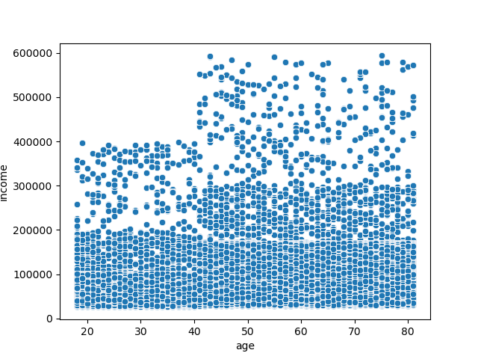
 |  |  | Title page

Visualisations

In this tab you should include all the visualtions from Exercises 4.9 and 4.10, alongside the questions from the project brief that they answer. Include any commentary on the relationship between different variables.

First bar chart showing orders_day_of_week with colors


 | 0 - Sunday
 | 1- Monday
 | 2 - Tuesday
 | 3 - Wednesday
 | 4- Thursday
 | 5 - Friday
 | 6 - Saturday

Historgram showing frequency of prices


Histogram showing frequency of orders during the day

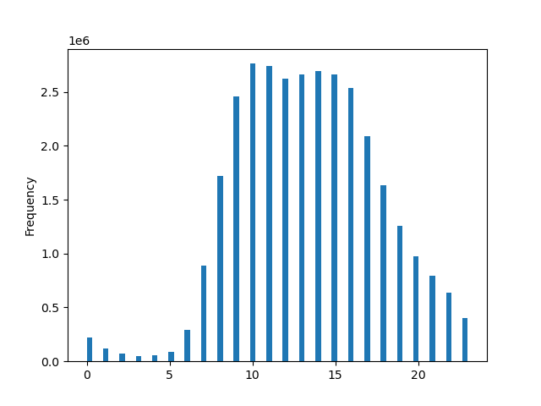

Bar chart showing order frequency among loyalty flag customers



 |  | Regular Customer 1st
 |  | Loyal Customer 2nd
 |  | New Customer 3rd

Line chart showing how much is spent at different times of day

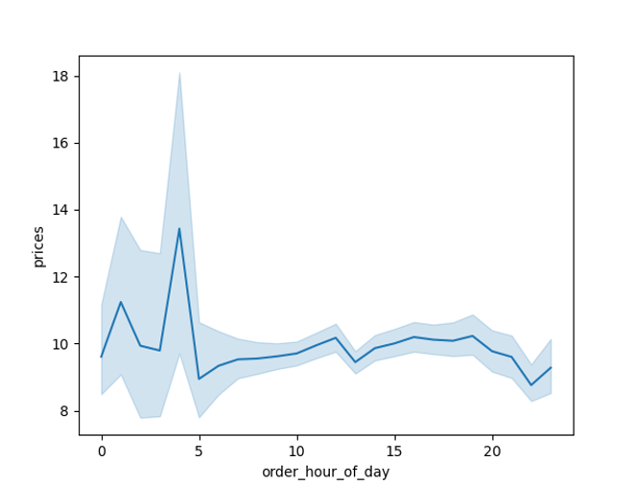

Line chart showing number of dependants on average for customer's age



Scatterplot showing relationship between income and age

6. Visualizations 4.10
 |  |  |  |  |  |  |  |  |  |  |  |  |  |  | Title page

Visualisations

In this tab you should include all the visualtions from Exercises 4.9 and 4.10, alongside the questions from the project brief that they answer. Include any commentary on the relationship between different variables.

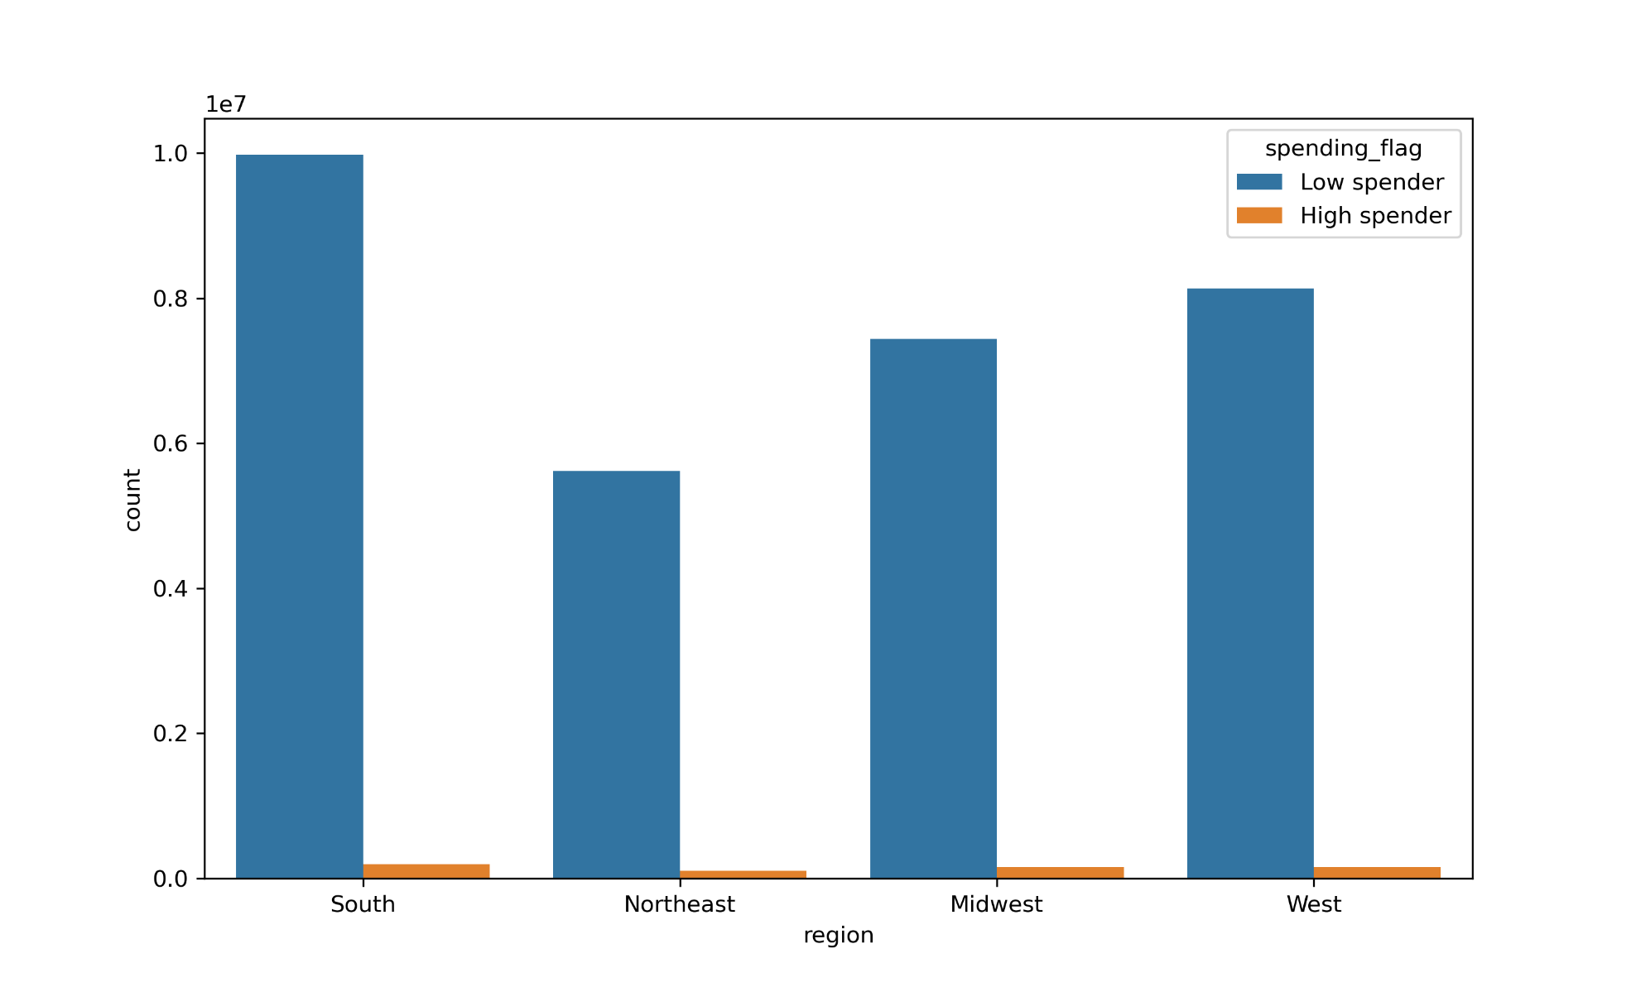
 | Question 3. - Customer spending based on region

 | Question 6. - Create a visualization to show the distibution of profiles
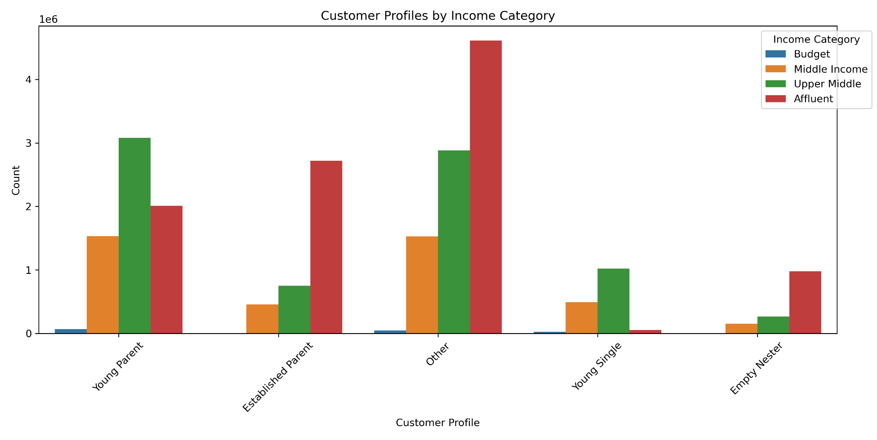

Question 7. - Aggreate the max, mean, and min variables on a customer-profile level for usage frequency and expenditure

 | days_since_prior_order | days_since_prior_order | days_since_prior_order | prices | prices | prices
 | max | mean | min | max | mean | min
customer_profile
Empty Nester | 30 | 11.08 | 0 | 25 | 7.8 | 1
Established Parent | 30 | 11.21 | 0 | 25 | 7.79 | 1
Other | 30 | 11.06 | 0 | 25 | 7.79 | 1
Young Parent | 30 | 11.1 | 0 | 25 | 7.79 | 1
Young Single | 30 | 11.18 | 0 | 25 | 7.78 | 1

Question 8. -Compare customer profiles with regions (as %)

customer_profile | Midwest | Northeast | South | West
Empty Nester | 24.03 | 18.99 | 30.81 | 26.18
Established Parent | 23.85 | 18.14 | 31.79 | 26.22
Other | 24 | 17.69 | 32.14 | 26.17
Young Parent | 24.03 | 17.97 | 31.98 | 26.02
Young Single | 22.91 | 18.55 | 33.15 | 25.39

Question 8. - Compare customer profiles with departments (as %)

customer_profile | alcohol | babies | bakery | beverages | breakfast | bulk | canned goods | dairy eggs | deli | dry goods pasta | frozen | household | international | meat seafood | missing | other | pantry | personal care | pets | produce | snacks
Empty Nester | 0.46 | 1.25 | 3.59 | 8.32 | 2.09 | 0.1 | 3.21 | 16.66 | 3.25 | 2.67 | 7 | 2.25 | 0.82 | 2.18 | 0.2 | 0.11 | 5.77 | 1.41 | 0.33 | 29.46 | 8.88
Established Parent | 0.47 | 1.29 | 3.64 | 8.4 | 2.16 | 0.11 | 3.3 | 16.42 | 3.23 | 2.69 | 6.97 | 2.3 | 0.82 | 2.19 | 0.22 | 0.11 | 5.81 | 1.41 | 0.31 | 29.2 | 8.96
Other | 0.48 | 1.31 | 3.62 | 8.32 | 2.19 | 0.11 | 3.31 | 16.66 | 3.25 | 2.68 | 6.92 | 2.27 | 0.83 | 2.19 | 0.21 | 0.11 | 5.78 | 1.36 | 0.3 | 29.2 | 8.9
Young Parent | 0.48 | 1.32 | 3.6 | 8.2 | 2.16 | 0.11 | 3.3 | 16.82 | 3.23 | 2.66 | 6.84 | 2.28 | 0.83 | 2.18 | 0.21 | 0.11 | 5.8 | 1.38 | 0.29 | 29.31 | 8.9
Young Single | 0.47 | 1.32 | 3.69 | 8.3 | 2.17 | 0.1 | 3.29 | 16.7 | 3.27 | 2.68 | 6.78 | 2.28 | 0.86 | 2.13 | 0.22 | 0.11 | 5.78 | 1.39 | 0.31 | 29.25 | 8.89

7. Recommendations
 |  |  |  | Title page

Recommendations

In this tab you should include any recommendations you would made to Instacart in terms of their marketing strategy based on the questions posed in the brief. Every key question has been covered in the Tasks of the Exercises - here you need to add an item - a visualisation or table/crosstable that is showing the answer in the data, accompanied by a comment from you. Please, list the questions below and add the answer underneath.

Question | Link |  | Answer
Are there certain types of products that are more popular than others? | Link |  | Yes, we see that Produce and Dairy Eggs are fairly significantly the top type of products. Beverages comes in at a distant third. Marketing efforts should focus on those catagories.
Are there differences in ordering habits based on a customer's loyalty status? | Link | Link | I don't believe I have a visualization specifically showing this from the exercises. But seeing the consistancy of ordering habits form the customer profiles charts created, there does not seem to be much difference in ordering habits among loyalty customers.
Are there differences in ordering habits based on a customer's region? | Link |  | Yes, we see product orders are more in the South, then in the West, Midwest and East. High spenders do not differe between regions. Marketing should focus majority on the South on low spenders
What days of the week and hours of the day are busiest? | Days of the week Link | Hours of the day Link | Saturday and Sunday are the busiest days of the week and hours between 8am and 4pm. The least busy days are Wednesday between 2am and 5am. Marketing should focus efforts during the day after 6am.
What times of the day do people spend the most money? | Link |  | People spend the most from 8am to 4pm, most particularly at 9am. Marketing should focus it's efforts during these times.
What different classifications does the demographic information suggest? Age? Income? Certain types of goods? Family status? | Link | Link | We see quite clearly that the older the customer, the more income they have. Specifically at the age of 40 there is an increase. We also see that having kids, how many or none at all doesn't really depend on a customer's age. Young single adults have the least money, young parents are the next, then established parents. There are a large number of affluent customers who are not parents nor empty nesters, so likely mid-aged adults with no children. These are major customers the marketing team could focus on.
What differences can you find in ordering habits of different customer profiles? Consider the price of orders, the frequency of orders, the products customers are ordering, and anything else you can think of. | Link |  | We see somewhat surprisingly that the order habits do not change much at all across the customer profiles and demographics. They are very consistent across all departments. Therefore marketing campaigns based on products can be appropriate for all customer profile categories.

